COVER
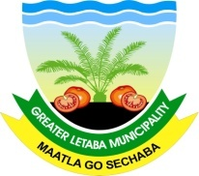

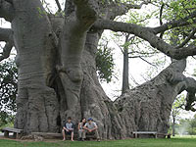


GREATER LETABA MUNICIPALITY
SDBIP MID-YEAR BUDGET &
PERFORMANCE REPORT
2014/2015
MFMA Section 72

Strategy
Vision and Mission | The strategic vision of the organisation sets the long term goal the Municipality wants to achieve. The vision of Greater Letaba Municipality is: "To be an outstanding agro-processing and eco-cultural tourism hub. The strategic Mission Speaks about what the purpose of Greater Letaba Municipality is: The mission of Greater Letaba Municipality is to ensure an effective, efficient and economically viable municipality through: Provision of accountable, transparent, consultative and co-operative governance Improving the quality of life through economic development and poverty alleviation Provision of sustainable services Ensuring a safe and healthy environment
Strategy map | The Strategy Map depicts the Strategic Objectives on how Greater Letaba Municipality will be able to become an outstanding agro-processing and eco-cultural tourism hub while providing sustainable and affordable services to all. These objectives were positioned in terms of the Balanced Scorecard Perspectives being: Learning and Growth; Institutional Processes; Financial results and Community Satisfaction. All operational outputs (projects, initiatives and process) as contained within the SDBIP are aligned to the attainment of one or more of these objectives.
 | 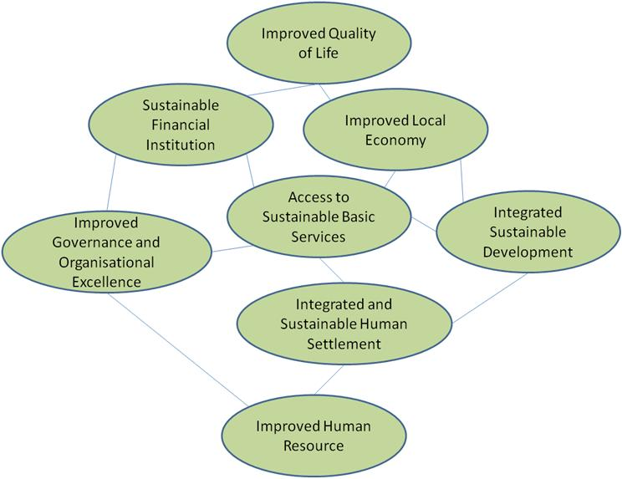

SDBIP summary
SERVICE DELIVERY PERFORMANCE SUMMARY

KPA | % Target achieved | No. of Applicable Indicators (Including projects) | No. of targets achieved | % Target achieved
Municipal Transformation and Organisational Development | 44.76% | 38 | 17 | 44.76%
Basic ServiceDelivery | 1.15% | 84 | 1 | 1.15%
Local Economic Development | 28.57% | 28 | 8 | 28.57%
Municipal Finance Management Viability | 31.25% | 16 | 5 | 31.25%
Good Governance and Public Participation | 46.51% | 43 | 20 | 46.51%

 |  | Overall % = 30.45%

Finance Report
GREATER LETABA LOCAL MUNICIPALITY

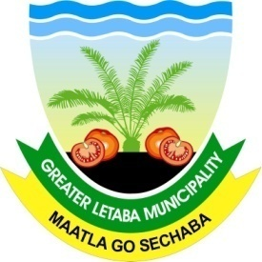

MIDTERM FINANCIAL PERFORMANCE REPORT ENDING 31 DECEMBER 2014

